Sheet1
Admin
Module | ID | Field | Status | Img
Employee Management | 1 | All Employees -> Manage user account of employee profile -> password setup(parameter validation error) | Not working | 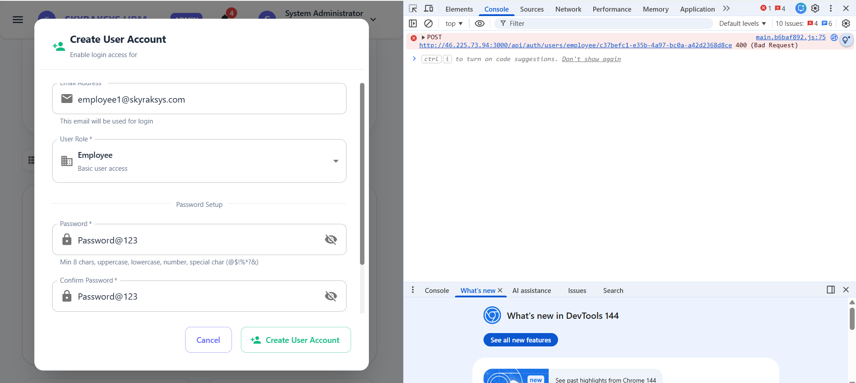 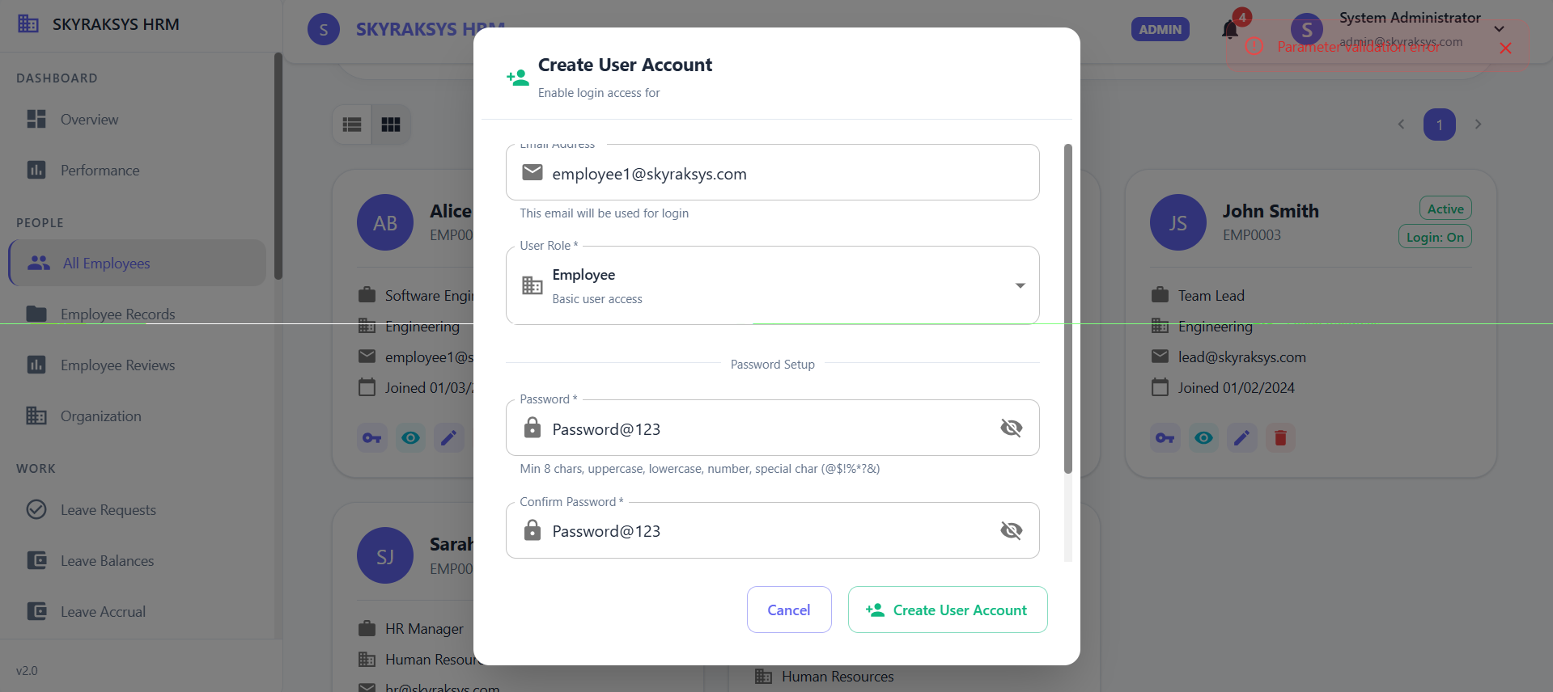
 | 2 | Add new employee-- Department and Position are required field but the dropdowns are disabled so unable to create a employee showing error | Not working | 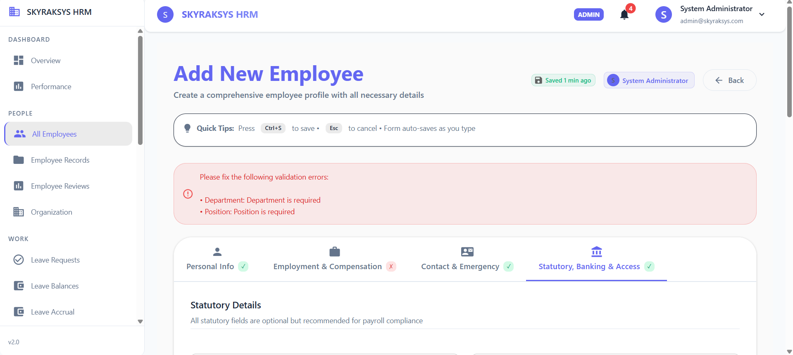
 | 3 | UI error - label email address is not visible fully
Employee Reviews | 4 | Validation error in the create employee review | Validation error | 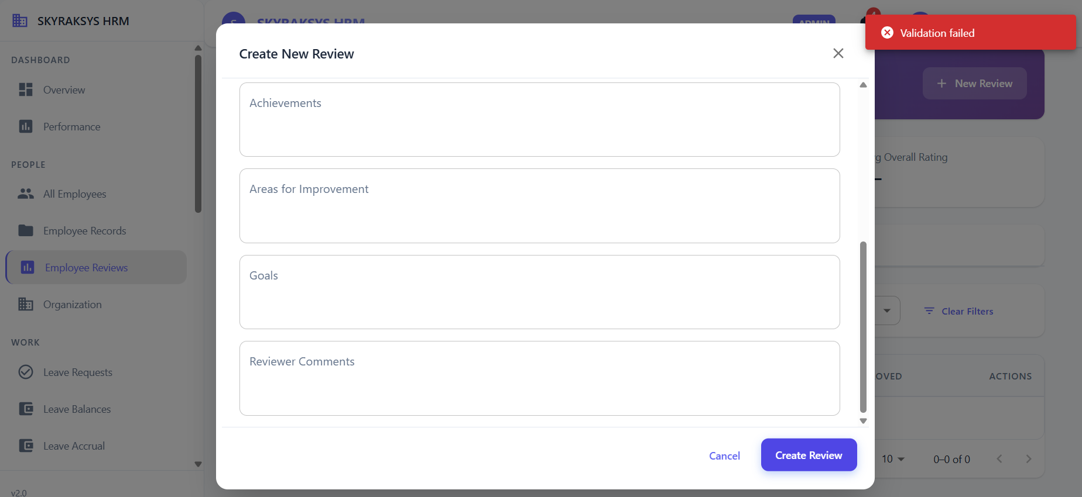
All employee | 5 | File exported sucessfully but the file appears to be unconfirmed | Unconfirmed file | 